Sheet1
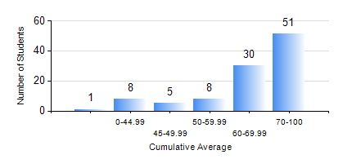
 |  |  | KWAME NKRUMAH UNIVERSITY OF SCIENCE AND TECHNOLOGY, KUMASI Department of Computer Engineering

 |  |  | BSC. BIOMEDICAL ENG.

 |  |  | COMPREHENSIVE RECORD OF EXAMINATION RESULTS

 |  |  | RESULTS OF YEAR 1 FIRST SEMESTER, 2023/2024 ACADEMIC YEAR

 | Sn | Course Code |  | Course Name | Credit Hours | Min. Mark | Max. Mark | Avg. Mark | Std. Dev. | No. Passed | No. Trailed | No. (Df) | No. (I) | No. (I*) | No. Tagged(I,I*,Df) | Total
 | 0. |  |  |  |  |  |  | 0 | 0 | 0 | 0 | 0 | 0 | 0 | 0 | 1
 | 1. | BME 161 |  | CELL BIOLOGY | 2 | 0 | 91 | 60 | 19.48 | 94 | 8 | 0 | 0 | 0 | 0 | 102
 | 2. | COE 153 |  | ENGINEERING TECHNOLOGY | 2 | 0 | 93 | 69 | 20.8 | 95 | 7 | 0 | 0 | 0 | 0 | 102
 | 3. | COE 181 |  | APPLIED ELECTRICITY | 3 | 0 | 86 | 57 | 17.88 | 93 | 9 | 0 | 0 | 0 | 0 | 102
 | 4. | ENGL 157 |  | COMMUNICATION SKILLS I | 2 | 0 | 92 | 69 | 20.37 | 96 | 6 | 0 | 0 | 0 | 0 | 102
 | 5. | MATH 151 |  | ALGEBRA | 4 | 0 | 97 | 72 | 21.16 | 96 | 6 | 0 | 0 | 0 | 0 | 102
 | 6. | ME 159 |  | TECHNICAL DRAWING | 2 | 0 | 88 | 59 | 20.18 | 95 | 7 | 0 | 0 | 0 | 0 | 102
 | 7. | ME 161 |  | BASIC MECHANICS | 3 | 0 | 95 | 67 | 23.38 | 91 | 11 | 0 | 0 | 0 | 0 | 102

